Sheet1
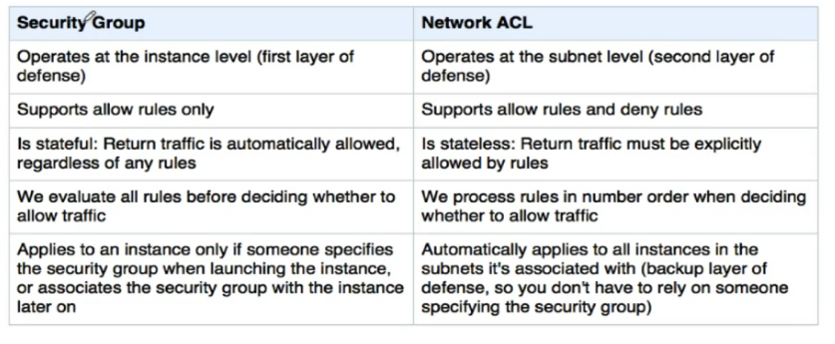
Security Group | NACL
Operates at EC2 Level | Operates at Subnet Level
EC2 can have 5 SGs | Subnet can be mapped to only one NACL
Stateful [ outbound traffic is allowed default if inbound is allowed ] | Stateless [ Inbound and outbound are allowed seperately]
Only Allow rules | Both Allow and Deny rules
Default SG - Inbound rules allow all Instances using same SG to communicate | NACL rules have priorities for each rule, lower the number higher the priority
Inbound - All ALL SG | Subnet must have a NACL associated. Either default or custom created.
Outbound all traffic to internet is allowed | Default NACL allows all inbound and outbound traffic by default.
Outbound - All ALL 0.0.0.0/0 | Custom NACL - Denies all inbound and outbound traffic
Custom SG - All Inbound denied, All outbound allowed
Security Group can be a source of another security group.
SG source can be CIDR, IP or another SG
SG ends with implicity deny | NACL ends with explicity deny

Note: Response/return traffic is allowed inbound even if rules not configured

Inbound - Traffic coming outside of the instance to the instance | Inbound - Traffic coming outside subnet into the subnet
Outbound- Traffic going out of the instance | Outbound - Traffic going out of the subnet

